Hospital LOS
 | Hospital length of stay days (Count - Number of days(e.g A.E))
Cov nr | treat | contrast_data | n | time | n.days | median.events | lower range | upper range | mean.events | SD mean | TE | seTE | lower.CI | upper.CI | pvalue | sm | treatment_comparison | Comment
#157 | Control |  | 10 | 30
#157 | Treat1 |  | 11 | 30
#464 | Control |  | 25 | 180
#464 | Treat1 |  | 23 | 180
#469 | Control |  | 143 | 84
#469 | Treat1 |  | 142 | 84
#474 | Control |  | 63 | 56
#474 | Treat1 |  | 56 | 56
#498 | Control |  | 35 | 120
#498 | Treat1 |  | 45 | 120
#558 | Control |  | 40 | 365
#558 | Treat1 |  | 36 | 365
#602 | Control |  | 26 | 49
#602 | Treat1 |  | 64 | 49
#641 | Control |  | 27 | 120
#641 | Treat1 |  | 25 | 120
#770 | Control |  | 90 | 365
#770 | Treat1 |  | 65 | 365
#792 | Control |  | 17 | 56
#792 | Treat1 |  | 18 | 56
#825 | Control |  | 40 | 49
#825 | Treat1 |  | 22 | 49
#1067 | Control |  | 49 | 365 |  | 5 | 1 | 22
#1067 | Treat1 |  | 47 | 365 |  | 6 | 3 | 13
#1080 | Control |  | 30 | 84
#1080 | Treat1 |  | 24 | 84
#1203 | Control |  | 35 | 180 | 183 |  |  |  | 5.2 | 9.3
#1203 | Treat1 |  | 36 | 180 | 106 |  |  |  | 2.9 | 7.3
#1228 | Control |  | 159 | 84
#1228 | Treat1 |  | 159 | 84
#1288 | Control |  | 48 | 120
#1288 | Treat1 |  | 57 | 120
#1400 | Control |  | 4744 | 1825 |  |  |  |  | 6.82 | 11.8 | 1.97 |  | 1.82 | 2.15 | <0.0001 | IRR | Control vs Treat1
#1400 | Treat1 |  | 689 | 1825 |  |  |  |  | 12.97 | 16.01
#1537 | Control |  | 55 | 365
#1537 | Treat1 |  | 110 | 365
#1672 | Control |  | 40 | 56
#1672 | Treat1 |  | 41 | 56
#1800 | Control |  | 67 | 365
#1800 | Treat1 |  | 67 | 365
#1952 | Control |  | 43 | 300
#1952 | Treat1 |  | 47 | 300
#2003 | Control |  | 67 | 154
#2003 | Treat1 |  | 67 | 154
#2125 | Control |  | 53 | 180
#2125 | Treat1 |  | 53 | 180
#2172 | Control |  | 15 | 30
#2172 | Treat1 |  | 12 | 30
#2391 | Control | 1 | 28 | 180 |  |  | 8 |  |  |  |  |  |  |  | 0.48 |  | Control vs Treat1
#2391 | Treat1 |  | 29 | 180 |  |  | 5
#2430 | Control |  | 25 | 270 | 97
#2430 | Treat1 |  | 27 | 270 | 34
#2667 | Control |  | 162 | 365 |  |  |  |  | 22.6 | 41.8
#2667 | Treat1 |  | 157 | 365 |  |  |  |  | 17.4 | 35.4
#2793 | Control |  | 19 | 90
#2793 | Treat1 |  | 19 | 90
#2815 | Control |  | 53 | 730
#2815 | Treat1 |  | 56 | 730
#2821 | Control |  | 56 | 60
#2821 | Treat1 |  | 60 | 60
#3048 | Control | 1 | 20 | 365 |  |  |  |  |  |  |  |  |  |  | >0.15 |  | Control vs Treat1
#3048 | Treat1 |  | 20 | 365
#3089 | Control |  | 49 | 365
#3089 | Treat1 |  | 47 | 365
#3089 | Treat2 |  | 44 | 365
#3116 | Control |  | 316 | 365
#3116 | Treat1 |  | 258 | 365
#3162 | Control |  | 24 | 365 |  | 7.5 | 4 | 20
#3162 | Treat1 |  | 24 | 365 |  | 8.5 | 5 | 12
#3182 | Control |  | 35 | 270
#3182 | Treat1 |  | 30 | 270
#3535 | Control |  | 52 | 180
#3535 | Treat1 |  | 49 | 180
#3630 | Control |  | 84 | 365
#3630 | Treat1 |  | 154 | 365
#4106 | Control |  | 20 | 180
#4106 | Treat1 |  | 19 | 180
#4108 | Control |  | 9 | 180
#4108 | Treat1 |  | 8 | 180
#4104 | Control |  | 37 | 365
#4104 | Treat1 |  | 35 | 365
#4104 | Treat2 |  | 38 | 365
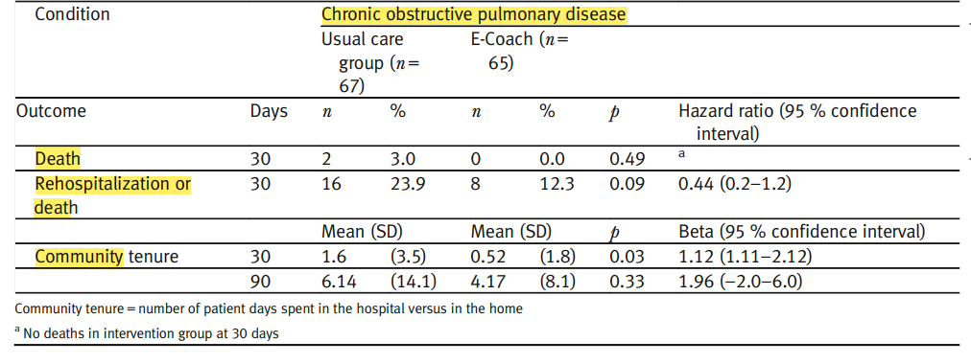
#4123 | Control |  | 11 | 84
#4123 | Treat1 |  | 11 | 84
#4194 | Control |  | 40 | 365
#4194 | Treat1 |  | 43 | 365
#4337 | Control |  | 60 | 365 | 207
#4337 | Treat1 |  | 60 | 365 | 388
#4345 | Control |  | 20 | 180
#4345 | Treat1 |  | 22 | 180
#4475 | Control |  | 128 | 365 |  |  |  |  | 14 | 20.8 | 1.05 |  | 0.75 | 1.48 | 0.78 | OR | Control vs Treat1
#4475 | Treat1 |  | 128 | 365 |  |  |  |  | 16.2 | 27.2
#4724 | Control |  | 67 | 90 |  |  |  |  | 6.14 | 14.1 | 1.96 |  | ─2.0 | 6.0 |  | Beta | Control vs Treat1
#4724 | Treat1 |  | 65 | 90 |  |  |  |  | 4.17 | 8.1
#4727 | Control |  | 172 | 365
#4727 | Treat1 |  | 275 | 365
#4736 | Control |  | 78 | 180
#4736 | Treat1 |  | 75 | 180
#4876 | Control |  | 33 | 365 |  |  |  |  | 7.46 | 1.58 |  |  |  |  | 0.829 |  | Control vs Treat1 vs Treat2 | *No intergroup difference regarding days in hospital 12 months following intervention, p=0.829 (one way analysis of variance)
#4876 | Treat1 |  | 39 | 365 |  |  |  |  | 7.02 | 1.48
#4876 | Treat2 |  | 37 | 365 |  |  |  |  | 8.29 | 1.43
#4986 | Control |  | 22 | 42
#4986 | Treat1 |  | 21 | 42
#5203 | Control |  | 114 | 365 |  |  |  |  | 22.4 | 19.52 |  |  |  |  | 0.308 |  | Control vs Treat1
#5203 | Treat1 |  | 115 | 365 |  |  |  |  | 18.9 | 16.05
#5232 | Control |  | 33 | 180
#5232 | Treat1 |  | 36 | 180
#5232 | Treat2 |  | 35 | 180
#5339 | Control |  | 12 | 270 | 36
#5339 | Treat1 |  | 12 | 270 | 22
#5343 | Control |  | 16 | 21
#5343 | Treat1 |  | 14 | 21
#5534 | Control |  | 17 | 56
#5534 | Treat1 |  | 19 | 56
#5563 | Control |  | 647 | 365 |  |  |  |  | 2.6 | 0.31
#5563 | Treat1 |  | 578 | 365 |  |  |  |  | 2.69 | 0.31
#5660 | Control |  | 50 | 365
#5660 | Treat1 |  | 47 | 365
#5660 | Treat2 |  | 50 | 365
#5737 | Control |  | 59 | 365
#5737 | Treat1 |  | 62 | 365
#5777 | Control |  | 14 | 180
#5777 | Treat1 |  | 12 | 180
#5787 | Control |  | 39 | 365
#5787 | Treat1 |  | 39 | 365
#5973 | Control |  | 20 | 365
#5973 | Treat1 |  | 23 | 365
#5974 | Control |  | 46 | 420
#5974 | Treat1 |  | 49 | 420
#6039 | Control |  | 120 | 365 |  |  |  |  | 3.67 | 0.97 |  |  |  |  | 0.032 |  | Control vs Treat1
#6039 | Treat1 |  | 120 | 365 |  |  |  |  | 2.54 | 0.64
#6159 | Control |  | 38 | 730
#6159 | Treat1 |  | 37 | 730
#6159 | Treat2 |  | 40 | 730

